Example Version1
Causew#5130 | Base Stats |  |  |  | <--Stats on level up page | Self Mods |  |  |  | Final Stats |  |  |  | Result
Standalone calculator | HP | Attack | Defence | Healing | Akari Example: | Skill Multiplier |  | HitCount | <- Only for split damage | HP | Attack | Defence | Healing | Healing | 43,278
 | 23504 | 3256 | 95 | 5039 |  | 744% |  | 1 | (E.g. Nonomi EX / 2hits) | 50556.142 | 12022.026 | 118 | 5817 | Lowest Non Crit Dmg | Highest Non Crit Dmg
Flat stats gained from equips like bag or hairpin-> | Flat Equip Bonus |  |  |  |  | Mood |  | ArmourBonus |  | Final Mods |  |  |  | 126,407 | 166,325
 | HP | Attack | Defence | Healing |  | 1.1 |  | 2 |  | Target Final Def |  | Defence Dmg Mod |  | Lowest Crit Dmg | Highest Crit Dmg
(Hairpin: HP + 3000) | 3000 |  |  |  |  | Stability |  | Accuracy |  | 333 |  | 85% |  | 267,920 | 352,526
 | % Equip Bonus |  |  |  | <--%stats gained from equips | 1400 |  | 698 |  | Crit Chance % |  | Crit Damage % |  | Average Non Crit Dmg | 146,366
 | HP% | Attack% | Defence% | Healing% | (T6 hat gives 35%) | Base Crit Chance % |  | Base Crit Damage% | <- you can use what you see in stat screen (e.g above) | 38% |  | 212% |  | Average Crit Dmg | 310,223
 | 5% | 35.00% |  |  | (T5 Watch gives 5HP %) | 47.9% |  | 231% | stat screen adds equips for you (watch, hat, gloves) | Damage Floor |  | Hit Chance |  | Overall Average Dmg | 208,468
UE + Passive+ --> | UE and Passive+ Bonus |  |  |  |  | Σ Flat Crit Chance Buffs |  | Σ Flat Crit Damage Buffs | <-- ONLY FOR UE PASSIVE + E.g. Azusa flat crit chance buff (190), Aru flat crit dmg buff (3800) | 76% |  | 100%
e.g. Akari: 2120+5766 HP | HP | Attack | Defence | Healing |  | 0 |  | 0
 | 7886 | 396 |  |  |  | % Crit Chance Buffs |  | % Crit Damage Buffs
 | Special Bonus |  |  |  | <- From this button |  |  | 17.10% |  |  |  |  | Actual lowest dmg might be lower than calculated,
 | HP | Attack | Defence | Healing |  |  |  |  |  |  |  |  | but actual highest damage should never be higher than calculated
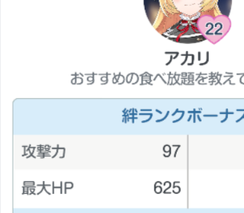
 | 4668 | 637 | 23 | 778 |  |  |  |  |  |  |  |  | Expected error is <=1%
 | Bond Bonus |  |  |  |  | Target Mods
 | HP | Attack | Defence | Healing |  | Target Evasion |  | ItJustWorksMod | <- random modifier for when you dont know why something is the way it is
 | 625 | 97 |  |  |  | 100 |  | 0% | or for other mods i havent made a slot for, e.g. level difference mod |  |  |  |  | My example checks out: | (Red ranger has 1332 def)
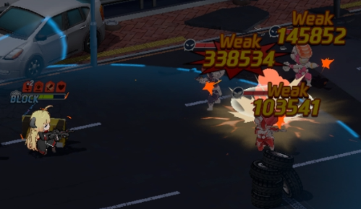
 | % Buffs |  |  |  |  | Target Def |  | Target Def Mod | <- Sum of all def mods. Cannot be lower than -80%
 | HP | Attack | Defence | Healing |  | 333 |  | 0% | e.g. Akane gives -33.33% at ex3
 | Akari Normal -> | 73.60% |  |  |  | Crit Chance Res |  | Crit Damage Res
 | Akari Sub -> | 65.50% |  |  |  | 10% |  | 50%
 | 22.40% | <-Akari Passive |  |  |  | Target Dmg Reduction Mod |  | Target Recovery Bonus Mod | <-- Includes Badge. Badge flat to decimal conversion is stat/10000
 |  |  |  |  |  |  |  | 0% | e.g. T5 badge gives 20% more recovery
If you run out of space for buffs, just add them up manually. E.g. I can combine both of Akari ATK buffs into 139.1% |  |  |  |  |  |  | ^ For things like Tsubaki sub

List of sus: |  |  | SCROLL RIGHT ---->
Dmg red mod
Extremely large mods of crit dmg |  |  | Formula Sources:
Level difference mod not included |  |  | ItJustWorks Library of Stats and Formulas
Doesnt work vs Hieronomys |  |  |  |  |  |  |  |  |  |  |  |  |  |  | Causew#5130

